Resources and Tokens
Resources |  | New Values
wood |  | Employee | 
food |  | Funding
fur |  | Consultant
nonperishabvle food |  | Funding does not go back to the FED
 |  |  | side 1 | side 2 | side 3 | side 4 | side 5 | side 6
Action Die Gather |  | Gather Employees / Money
Action Die Explore |  | Progress in the project
Action Die Build |  | Purchase items
Weather Rain Die |  | Bank Regulatory / Checks
Weather Snow Die |  | Government Regulatory
Hungry Animals Die |  | Customer Opportunity

Wound Marker (Red) |  | Personal Morale
Round Marker |  | Round Marker
exhausted resource |  | black cube

TOKENS
Camp/Shelter |  | No Deal Team / Deal Team
Reroll Success |  | Reroll Success
Determination Token |  | Idea Token | 
Discovery |  | Bonus Incentive | 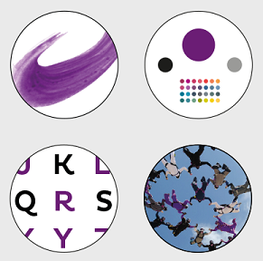
Weather Rain |  | +1 risk head count needed
Weather Snow |  | +1 reglatory head count needed
Adventure Gather |  | Resource Opportunities
Adventure Build |  | Purchasing Opportunities
Adventure Explore |  | New Deal Explore
Shortcut Token
special Wound Build |  | Purchase related injury | Sick, headache, food poisoning, etc
Special Wound Explore |  | Project Plan related injury | Sick, headache, food poisoning, etc
Special Wound Gather |  | Resource Gather related injury | Sick, headache, food poisoning, etc
minus helper

+1 food |  | +1 Funding
+1 wood |  | +1 Employee
+ skull (plus beast strength) |  | +1 Customer Opportunity

Building
Shelter |  | Gain a Deal Team (no loss of Funding per player each round)
Roof |  | Increase Risk Department headcount. During night phase, lose funding without Risk Department headcount.
Palasade |  | Increase Regulation Department headcount. Protection from Controls Total Building counts
Weapons |  | KYC / Onboarding Level

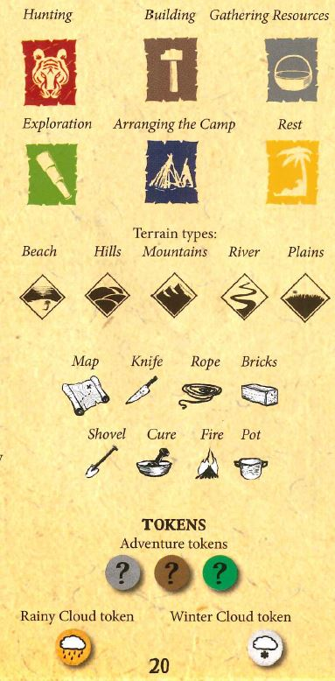
Project phases
beach | Init |  |  |  |  | Customer Deck | Purchasing Deck | Gathering Resources Deck
mountains | Planning | 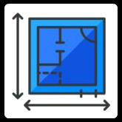 |  |  |  | Deal Deck
hills | Close | 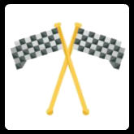
grass | Monitor | 
river | Execution | 

 | Get a Deal Team | 
 | # of players
 | 2 | 2 Employees / 1 consult
 | 3 | 3 Employees / 2 consult
 | 4 | 4 Employees / 3 consult

Event Effect
Problem Action
Problem Effect | 

Audit Icon

Opportunity Purchasing
Opportunity Gathering
Opportunity Deals

